Table 1
 |  |  | Inspection and Test Plan - Control and Supervision of the Works |  |  |  |  |  |  |  | Document # GT4-ITP-012
 |  |  |  |  |  |  |  |  |  |  | Revision : 0 | Date: 06/09/2023

Client: | Hobart International Airport Pty Ltd |  |  | Construction Process: |  | Prepared by: |  | Reviewed by : |  |  | Approved by : Name: Signed :
Project: | Project Mercury Early Works At Hobart International Airport |  |  | Concrete Structural Footings |  | Name: | Zac Buick | Name: | David Hart
Contract No: | MER-EW-001 |  |  | Specifications: Hobart Airport Project Mercury Early Works Civil Specification
 |  |  |  | Structure / Component: Concrete Structural Footings |  | Signed : |  | Signed :
 |  |  |  | Location: Hobart International Airport |  | Date : | 2023-05-09 | Date : | 2023-07-09 |  | Date :

Item | Task/Activity Description |  | Inspection / Controls and Verification Detail |  |  |  |  | HP/ WP/ AP/ IP/ TP/ SCP | Responsibility | Checked by:
No. |  |  | Frequency | Acceptance Criteria | Reference Documents | Inspection / Test Method | Record of conformity |  | Project Engineer Site Engineer Superintendent Surveyor Foreman | QAV | Fulton Hogan | Date
1 | Preliminary Works
1.1 | Check that current revision drawings are being used |  | Prior to Commencing Work | Issued For Construction (IFC) and latest available revision used | IFC Project Drawings/ Drawing Register | Document review | Latest revision IFC drawings ITP signed | HP* | Site Engineer | N/A
1.2 | Implementation of all measures and controls |  | Prior to commencing any activity | All necessary measures and controls are being implemented, that is: PSP, EMP, TMP, SWMS & WP | OHSMP, EMP, TMS, SWMS, WP | Visual Inspection | This ITP Signed | HP* | Site Engineer | N/A
2 | Material Conformance
2.1 | Materials & source Approval - Reinforcing |  | Prior to works commencing 1 per delivery | Reinforcing supply quantities in accordance with the drawings and AS/NZS 4671. | Work Procedure | Visual Inspection | Receival inspection checklist | IP | Site Engineer | N/A
2.2 | Materials & source Approval - Cast-in Items |  | Prior to works commencing 1 per delivery | Cast-In items to be in accordance with the drawings and manufacturer specifications. All surface exposed, cast-in components are to be hot dip galvanised and fire protected as required. | EW-ST-DRW-10- 0005 | Visual Inspection | Receival inspection checklist | IP | Site Engineer | N/A
2.3 | Source In-situ Concrete Material |  | Each Lot | Concrete shall be at minimum 28-day strength, F’c of 32 MPa and when placed shall be well rammed to ensure thorough consolidation. Concrete slump shall be 100mm +/- 20mm | EW-ST-DRW-10- 0005 Table 5.1 of AS1379 | Verify | Mix Design | IP | Site Engineer | N/A
3 | Construction \ Erection of Formwork
3.1 | Set Out |  | Each Lot | Provide 24 hr inspection notice for Superintendent confirmation of footings location. | EW-ST-DRW-10- 0005 | Verify | This ITP signed | HP | Site Engineer
3.2 | Excavation |  | Each Lot | Excavation to be to the depth and size required for the concrete footing. | EW-ST-DRW-10- 0020 | Verify | This ITP signed | IP | Site Engineer | N/A
3.3 | Blinding Concrete |  | Each Lot | Min. 200mm of concrete blinding layer below the base of the pad footing. Where a footing does not extend to the level required within the acceptable founding material, the contractor is to provide a weak-mix blinding concrete (minimum N15) for the footprint of the footing to achieve the required depth | EW-ST-DRW-10- 0020 EW-ST-DRW-10- 0005 | Inspection | This ITP signed | IP | Site Engineer | N/A
3.4 | Formwork |  | Each Lot | Formwork shall conform to shapes, lines, levels and dimensions of the concrete shown or indicated on the Drawings. | Work Procedure | Verify | This ITP signed | IP | Site Engineer | N/A
4 | Reinforcement
4.1 | Steel Fixing |  | Each Lot | Reinforcement type and design to be in accordance with DWG EW-ST-DRW-10-0020 Reinforcing steel shall be bent and placed in accordance with AS 4671 and sufficient bar chairs shall be installed to ensure reinforcement is in the correct position. | EW-ST-DRW-10- 0020 Work Procedure | Verify | This ITP signed | IP | Site Engineer | N/A
4.2 | Reinforcement Installation |  | Each Lot | Pre-pour Checklist Completed: - Position and spacing check and recorded - Cover checked and recorded - Reinforcing supports checked and recorded - Laps at required length | Work Procedure | Inspection | This ITP signed | IP | Site Engineer | N/A
4.3 | Cast-In Items |  | Each Lot | Installation of cast in items as per manufacturer specifications | Work Procedure | Verify | This ITP signed | IP | Site Engineer | N/A
5 | Inspections
5.1 | Pre-pour Inspection |  | Each Lot | Concrete shall not be placed until: (i) the evidence that the forms, reinforcement, any stressing materials and embedments conforming to the requirements of the specification and the drawings, has been reviewed by the Superintendent (ii) all foreign material has been completely removed from the forms Superintendent requires 48 HR notice for inspection. | Work Procedure | Inspection | Pre Pour Inspection Checklist Completed | HP | Site Engineer/ Superintendant
6 | Placing and Finishing Concrete
6.1 | Pour Concrete Footings |  | Each Lot | Footings shall be constructed in accordance with the detail shown on the drawings. | EW-ST-DRW-10- 0020 | Inspection | Concrete pour record and delivery docket | HP* | Site Engineer | N/A
6.2 | Finishing |  | Each Lot | Concrete to be vibrated to ensure compaction and air voids removed. Screed finish required on exposed surfaces Concrete surface finishes to meet Class 4 requirements as per table 3.2.3 and 3.3.5.1 of AS 3610. (Attached Below) | Work Procedure | Verify | Completion of prepour inspection checklist | IP | Site Engineer | N/A
6.3 | Concrete Testing |  | Each Lot | Testing for conventionally reinforced elements: UNO in specifications or on drawings, the contractor is to arrange for project sampling for every 50m³ of concrete supplied (1000m³ in the case of shrinkage tests alone). Provide slump, 7- and 28-day compressive strength and shrinkage test results in accordance with AS 1379 and AS 1012.1 to the engineer, as a minimum. Concrete Testing to be carried out as per specifications in AS 1379 | Work Procedure | Verify | Test Results | TP | Site Engineer | N/A
7 | Post Pour Details and Inspections
7.1 | Concrete Curing |  | Each Lot | Concrete to be cured as per project specifications. All concrete elements are to be actively cured for a minimum of 14 days following pouring by ponding or an approved proprietary system. The contractor shall submit the proposed curing methodology to the engineer for approval prior to pouring. | EW-ST-DRW-10- 0005 | Verify | This ITP Signed | IP | Site Engineer | N/A
7.2 | Removal of Formwork |  | Each Lot | Stripping of vertical faces in accordance with C.1.8.13 of EW-ST-SPC-000001. | EW-ST-SPC- 000001 | Verify | This ITP Signed | IP | Site Engineer | N/A
7.3 | Allowable Tolerances Level & Alignment |  | Each Lot | Surface Tolerances to be in accordance with Table 3.3.5.1 of AS 3610 As-built survey completed for lot | AS 3610 | Verify | This ITP Signed | SCP | Site Engineer | N/A
7.4 | Post-pour Checklist |  | Each Lot | Completion of Pre Pour checklist quality checks. | Work Procedure | Inspection | Pre Pour Inspection Checklist Completed | HP* | Site Engineer | N/A
7.5 | Backfilling |  | Each Lot | Backfilling to match pavement design and to occur min. 72 hours post concrete pour. | Work Procedure | Inspection | This ITP Signed | HP* | Site Engineer | N/A

Final Inspection The signature below verifies that this ITP has been completed in accordance with the FH’s Quality system Procedures and verifies lot compliance with specifications. Print Name: Position: Signature: Date: / /
Legend
HP | Hold Point | Work shall not proceed past the HP until released by the Superintendent |  |  | IP | Inspection point |  | Formal Inspection to be done and recorded
HP* | FH Hold Point | Work shall not proceed past the HP* until released by FH |  |  | TP | Test Point |  | Product compliance test to be undertaken and recorded/reported
AP | Approval Point | Written or verbal approval given by the Superintendent |  |  | SCP | Survey conformance point |  | A qualified surveyor to check product/section/structure and report
WP | Witness Point | An inspection which must be witnessed by the Superintendent |  |  | WP* | Fulton Hogan Witness Point |  | An inspection which must be witnessed by Fulton Hogan Representative

 | 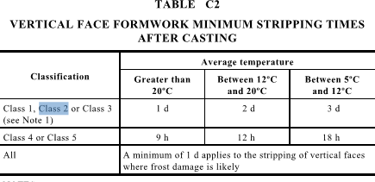
 |  |  |  | 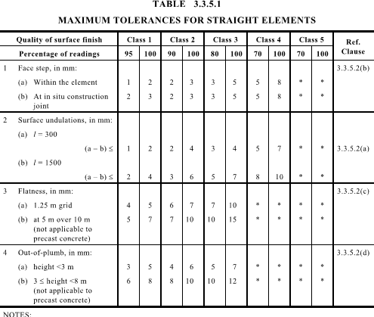
 |  |  |  |  |  |  |  | 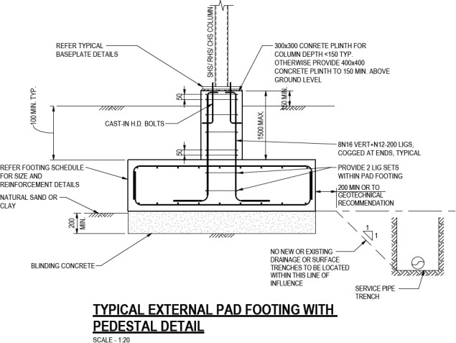
Item | Task/Activity Description |  | Inspection / Controls and Verification Detail |  |  |  |  | HP/ WP/ AP/ IP/ TP/ SCP | Responsibility | Checked by:
No. |  |  | Frequency | Acceptance Criteria | Reference Documents | Inspection / Test Method | Record of conformity |  | Project Engineer Site Engineer Superintendent Surveyor Foreman | QAV | Fulton Hogan | Date
Item | Task/Activity Description |  | Inspection / Controls and Verification Detail |  |  |  |  | HP/ WP/ AP/ IP/ TP/ SCP | Responsibility | Checked by:
No. |  |  | Frequency | Acceptance Criteria | Reference Documents | Inspection / Test Method | Record of conformity |  | Project Engineer Site Engineer Superintendent Surveyor Foreman | QAV | Fulton Hogan | Date
Item | Task/Activity Description |  | Inspection / Controls and Verification Detail |  |  |  |  | HP/ WP/ AP/ IP/ TP/ SCP | Responsibility | Checked by:
No. |  |  | Frequency | Acceptance Criteria | Reference Documents | Inspection / Test Method | Record of conformity |  | Project Engineer Site Engineer Superintendent Surveyor Foreman | QAV | Fulton Hogan | Date
Item | Task/Activity Description |  | Inspection / Controls and Verification Detail |  |  |  |  | HP/ WP/ AP/ IP/ TP/ SCP | Responsibility | Checked by:
No. |  |  | Frequency | Acceptance Criteria | Reference Documents | Inspection / Test Method | Record of conformity |  | Project Engineer Site Engineer Superintendent Surveyor Foreman | QAV | Fulton Hogan | Date

